Summary
 | E. Responsible AI for Defence (RAID) Risk Register
 | Summary of Active Risks
 | RAID Toolkit – Consultation version 2023

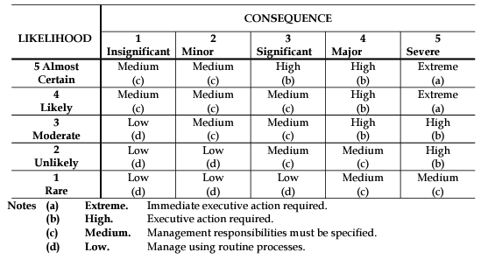
RISK CRITERIA |  | Component | Risk serials requiring action | Current Overall Risk Status | Goal Risk Status | Status of mitigation action | Due Date | Review Date
Risk criteria are used to evaluate the significance of risk. The AS/NZS ISO 31000:2018 standard[1] notes that risk criteria should be adapted to meet the objectives of the organisation and of the risk assessment. The following risk criteria mirror Defence’s technology risk assessment, that is, to identify technology risks and issues for risk treatment and issue resolution, and to inform Government of the level of technology risk in a major project[2].
 |  | AI
 |  | AI System Components
 |  | Design Inputs
LIKELIHOOD |  | HMI
As part of the risk assessment, each risk event identified is examined to estimate the likelihood of its occurrence and its impact on the project’s objectives to arrive at the risk itself. The likelihood is expressed in terms of either More-than-likely, Less-than-likely and Unlikely as follows: |  | AI Use Inputs
 |  | AI Use Outputs
More-than-likely: Any risk event which is assessed as having a likelihood greater than 50% |  | Object of AI Action
Less-than-likely: Any risk event which is assessed as having a likelihood between 20-50%; |  | Use Case Environment
Unlikely: Any risk event which is assessed as having a likelihood less than 20%. |  | System of control

CONSEQUENCE
Once the likelihood is assessed, each risk event is examined to assess the impact of the event, if it were to occur, on the project’s objectives in terms of the required performance, supportability, safety, cost or schedule. The impact or consequence is expressed in terms of either Major, Moderate or Minor as follows: |  | RISK RATINGS
 |  | Once the likelihood and impact for an event are determined, the risk assessment is expressed in terms of High (shown as red), Medium (yellow) or Low (green) as shown in the risk matrix at Table.

Minor: There will be a small shortfall in a key critical capability, but still meets overall project requirements. |  |  | Impact/Consequence
Moderate: A critical capability is impaired – key project requirements partially achieved. |  | Likelihood | Minor 1 |  | Moderate 2 |  | Major 3
Major: A critical capability is lost - key project requirements not achieved. |  | More Than Likely 3 | MEDIUM |  | HIGH |  | HIGH
 |  | Less Than Likely 2 | LOW |  | MEDIUM |  | HIGH
RISK REGISTER REFERENCES |  | Unlikely 1 | LOW |  | LOW |  | MEDIUM
This risk register is based upon the DSTG Technical Risk Assessment criteria adopted for software in the ADF; assessment of risk consequences is aligned with capability and performance considerations and the assessment of risk probabilities is aligned with performance considerations (as compared to cost and scheduling risk as normally required). This is because the legal and ethical risk being measured relates not only to acquisition cost and value for money, but upon performance of the AI capability once introduced into service.
 |  | The range of technology risks is the risk profile for the project. The overall technology risk for the project as a whole should be based on the technology risk profile, and should be assessed in terms of being High, Medium or Low as follows:
[1] Standards Australia (2009) Risk management - Principles and guidelines, AS/NZS ISO 31000:2018 |  | High: the technology risk profile is such that there is significant risk to achieving the project’s objectives
[2] Moon, T., Smith, J. and Cook, S.C. (2005). Technology Readiness and Technical Risk Assessment for the Australian Defence Organisation. In Proceedings of the Systems Engineering, Test & Evaluation Conference, SETE 2005 – A Decade of Growth and Beyond, Brisbane, Queensland. |  | Medium: the technology risk profile could lead to a reasonable risk to achieving the project’s objectives
 |  | Low: the technology risk profile is such that there is little risk to achieving the project’s objectives.
[3] DSTG Technical Risk Management Handbook.

